Sheet1
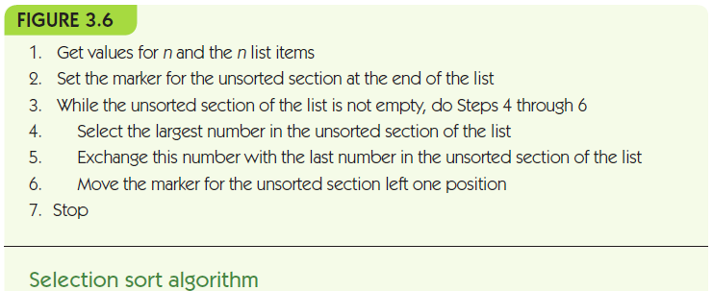
 | 64 | 79 | 32 | 58 | 88 | 66 | 81 | 34 | 60 | 90

Pass #1 | 64 | 79 | 32 | 58 | 88 | 66 | 81 | 34 | 60 | 90

Pass #2 | 64 | 79 | 32 | 58 | 60 | 66 | 81 | 34 | 88 | 90

Pass #3 | 64 | 79 | 32 | 58 | 60 | 66 | 34 | 81 | 88 | 90

Pass #4 | 64 | 34 | 32 | 58 | 60 | 66 | 79 | 81 | 88 | 90

Pass #5 | 64 | 34 | 32 | 58 | 60 | 66 | 79 | 81 | 88 | 90

Pass #6 | 60 | 34 | 32 | 58 | 64 | 66 | 79 | 81 | 88 | 90

Pass #7 | 58 | 34 | 32 | 60 | 64 | 66 | 79 | 81 | 88 | 90

Pass #8 | 32 | 34 | 58 | 60 | 64 | 66 | 79 | 81 | 88 | 90

Pass #9 | 32 | 34 | 58 | 60 | 64 | 66 | 79 | 81 | 88 | 90

Pass #10 | 32 | 34 | 58 | 60 | 64 | 66 | 79 | 81 | 88 | 90

